Integration Info
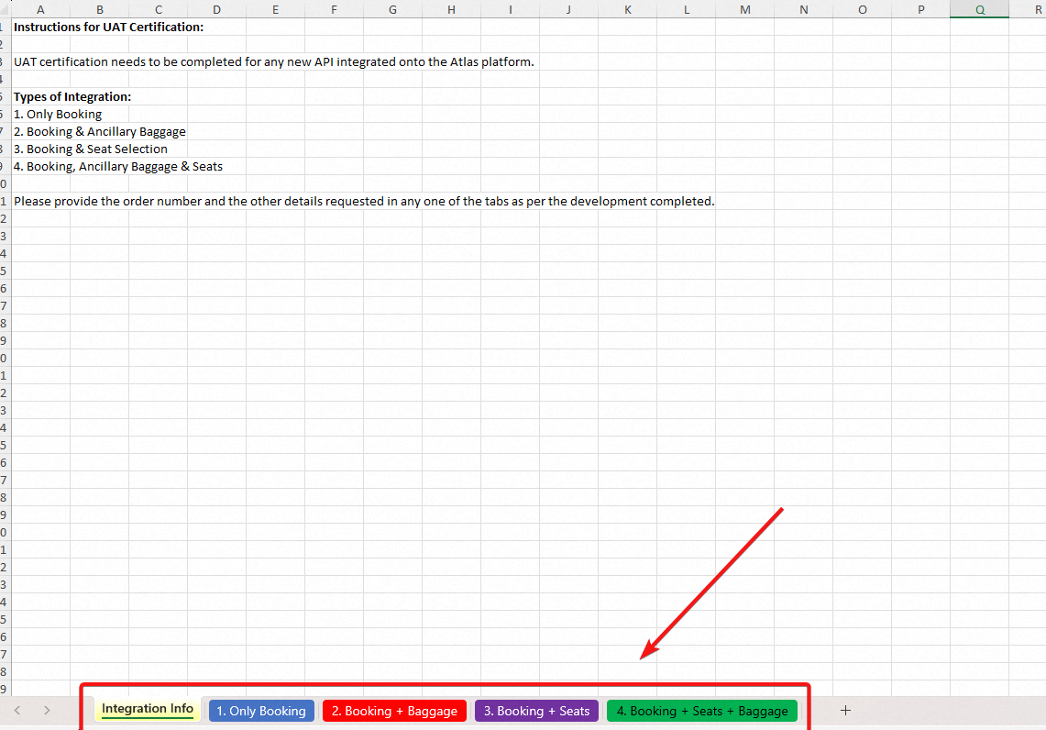
Instructions for UAT Certification:

UAT certification needs to be completed for any new API integrated onto the Atlas platform.

Types of Integration:
1. Only Booking
2. Booking & Ancillary Baggage
3. Booking & Seat Selection
4. Booking, Ancillary Baggage & Seats

The below airlines can be used to conduct the UAT certification testing:

Please provide the order number and the other details requested in any one of the tabs as per the development completed.

